APM-BPM-BSM-BAC Installation #1
BPM Questionnaire
How many instances of APM/BPM/BSM/BAC does your company currently have in your environment? Please replicate this tab, and complete the questionnaire separately for each instance of the product. |  | One

Question |  | Yes / No
º
Is this instance used for developing APM/BPM/BSM/BAC product add-on applications? |  | Yes
Is this instance used for APM/BPM/BSM/BAC product migration testing, or APM/BPM/BSM/BAC pre-production staging? |  | Yes
Is this instance used as a Cold Standby Backup? i.e. the instance is NOT up and running. If the production instance breaks down, or needs to be taken out of service, this instance needs to be manually switched on in order to take over for the production system. |  | Yes
Is this instance used as a Hot Standby Backup? i.e. the instance is up and running, ready to take over from the production instance if the production instance breaks down or needs to be taken out of service. |  | Yes
Does this instance process data, execute policies, or send/receive messages while production system is running? |  | Yes
Additional Comments

Server/Machine Name | bsmprodgw.ad.btk.bg, bsmproddps.ad.btk.bg
Product (APM/BPM/BSM/BAC) | APM/BPM/BSM/
Product Version | HP Business Service Management 9.26.481, Build 224
Environment (Production / non production) | Production
Used to provide service to a 3rd party (yes/no) | Yes

Product License Summary
Instructions: Login as the BAC Administrator and navigate to the “Setup & Maintenance” page via the “Admin” menu dropdown for Product License Summary details. Please provide screenshots of the expanded list of licenses.

***SAMPLE DATA*** |  |  | Insert Screenshot Below
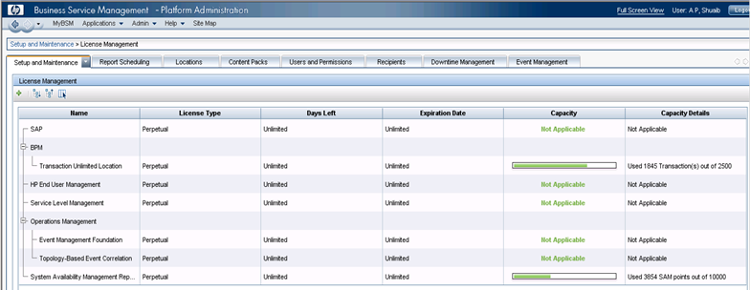 |  |  | 

License Key Information – “BPM License Information”
Instructions: Login as the BAC Administrator and navigate to the “Settings” – “BPM License” page via the “End User Management Administration” menu dropdown for BPM License Information by License Type.
***SAMPLE DATA*** |  |  | Insert Screenshot Below
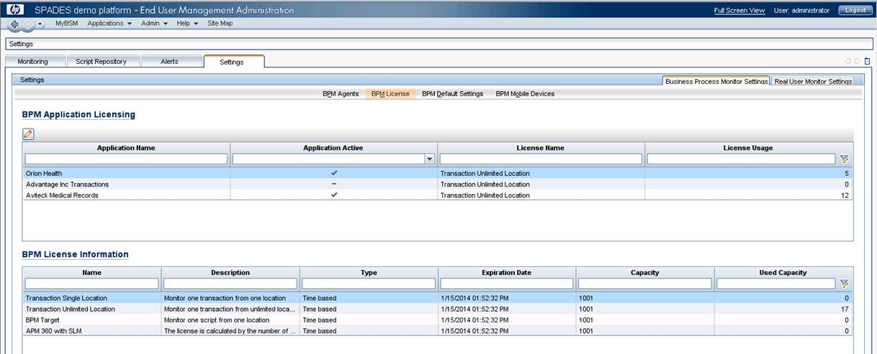 |  |  | 

BPM Agent Locations
Instructions: Login as the BAC Administrator and navigate to the “Settings” page via the “End User Management Administration” menu dropdown for BPM Agent Location details.
***SAMPLE DATA*** |  |  | Insert Screenshot Below
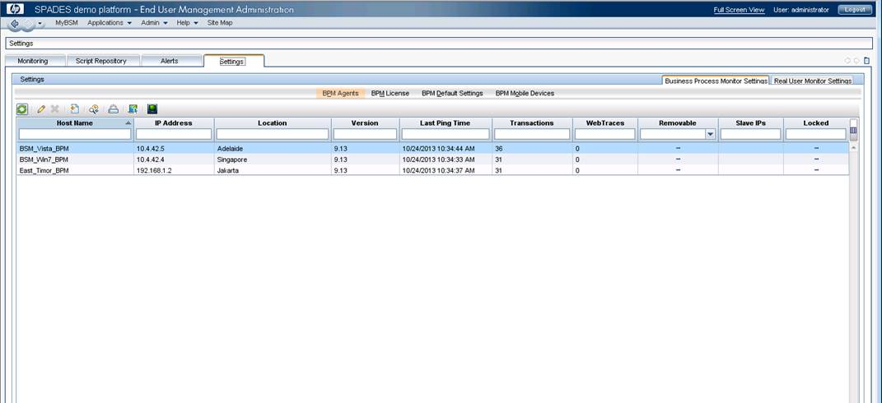 |  |  | 

BPM Transaction Information
Instructions: Login as the BAC Administrator and navigate to the “Settings” – “BPM License” page via the “End User Management Administration” menu dropdown for BPM Transaction Usage/Capacity by Application and License Type.

***SAMPLE DATA*** |  |  | Insert Screenshot Below

License Key Information – “BPM License Information”
Instructions: Login as the BAC Administrator and navigate to the “Settings” – “BPM License” page via the “End User Management Administration” menu dropdown for BPM License Information by License Type.
***SAMPLE DATA*** |  |  | Insert Screenshot Below

BAC-BSM-APM
Instructions: Login as the Administrator and navigate to the “Settings” page, please provide screenshots for all combinations of tabs.

***SAMPLE DATA*** |  |  | Insert Screenshot Below

